3x3 Cross
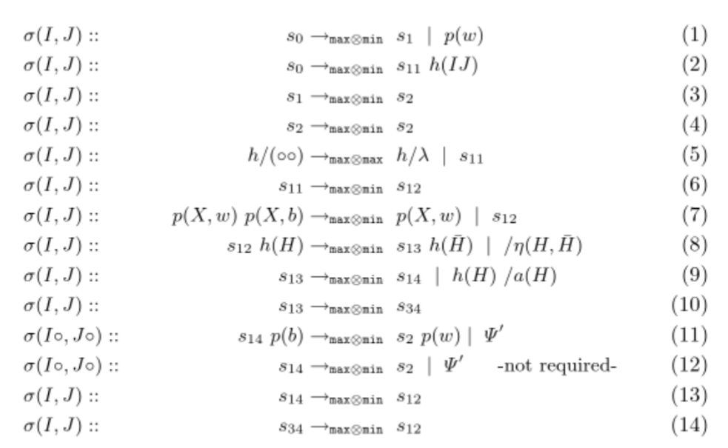
3x3
Init | s0 | s0 | s0
 | s0 | s0 | s0
 | s0 | s0 | s0

Rule 1 | s1 | s0 | s1
 | s0 | s0 | s0
 | s1 | s0 | s1

Rule 2 | s1 | s0 | s1
 | s0 | s0 | s0
 | s1 | s0 | s1

